PENDING AMOUNT
10101722600111 | To-Pay | 17-Apr-2025 | ORIENT ELECTRICALS AND HARDWARES | 706 | 552995947077 rs. 706/- dt 12.06.25 devvvvvva
09121822600090 | To-Pay | 23-Apr-2025 | SURESH. | 270 | 516199455515 RS. 270/- DT 10.06.25 MGR
10105622600135 | To-Pay | 14-May-2025 | vasanth &an co | 409 | 516117234558 RS. 409/- DT10.06.25
03123322600624 | To-Pay | 20-May-2025 | SHIVAYA FITNESS EQUIPMENTS | 1245 | 516861266452 ts.1245/- dt 17.06.25
08119622600019 | To-Pay | 05-May-2025 | K.S. VENKATRAMAN | 586 | already debited vendor deva account tn01bk0751 date: 21.06.25 Rs.5200
10106022600417 | To-Pay | 23-May-2025 | SHANKAR PACKAGINGS LTD | 2819 | 553541435253 rs. 2819/- dt 18.06.25 dass
02100112600372 | Paid | 14-May-2025 | RAJKUMAR | 327 | cancelled lr APPROVED BY ARAVINDHAN SIR
06108022600237 | To-Pay | 15-May-2025 | VASANTH & CO | 1056 | TN01BU1225 vendor responsible
10101722600268 | To-Pay | 10-May-2025 | vinoth ramya | 326 | 553565451709 rs. 326/- dt 18.06.25
10106022600244 | To-Pay | 02-May-2025 | PROFESSIONAL CARE | 1240 | CHQ NO 931018 RS. 3734/- DT 02.07.25 DEPOSITED DT 04.07.25
 |  |  |  | 8984

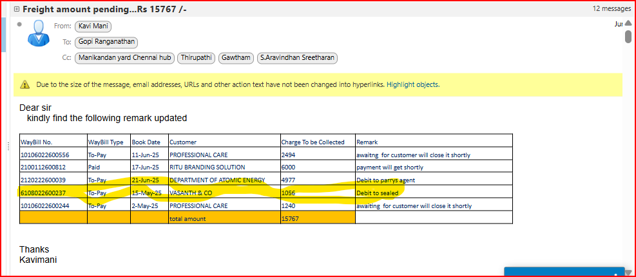

08119622600019 | To-Pay | 05-May-2025 | K.S. VENKATRAMAN | 586 | already debited vendor deva account tn01bk0751 date: 21.06.25 Rs.5200 (CONT MRS .HEMA)
06114022600011 | To-Pay | 2025-06-15 | AARONBASKARAN BENDAR PETER | 4614 | already debited vendor deva account tn01bk0751 date: 21.06.25 Rs.5200 (CONT MRS .HEMA)
 |  |  |  | 5200

